LDV psg
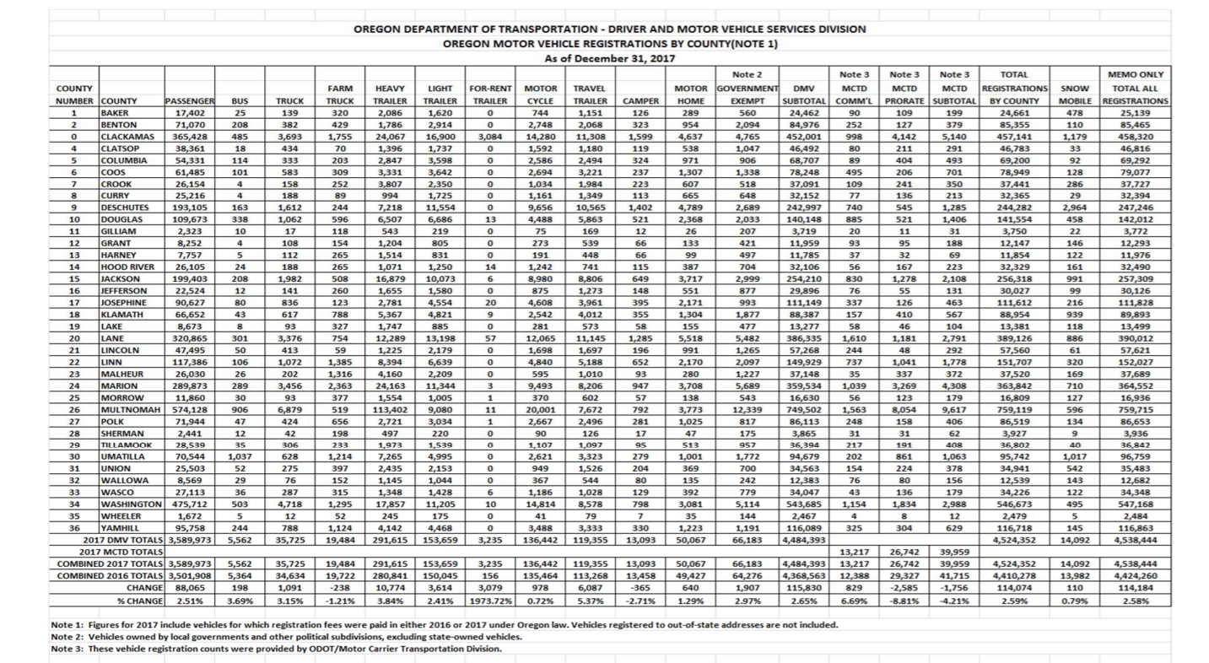
2017 data
ODOT data on registrations
https://www.oregon.gov/odot/dmv/pages/news/vehicle_stats.aspx

Automobiles from DMV | 3589973

subtract
BEV and PHEV from other sources | 58928
https://www.oregon.gov/deq/aq/programs/Pages/Clean-Fuels-Data.aspx

Gas implied | 3,531,045
 |  |  |  |  |  |  | "Non-CVRA Trucks/Coml. Vehicles *" = these include pickup trucks
 |  |  |  |  |  |  | "Includes pickup trucks and vehicles used or maintained for hire or for transportation of persons or of property"

2017 BEV total: | 36,291
2017 PHEV total: | 22,637

Reference Gasoline LDV | 2017
BEV | 7.21E+05
Hydrogen Fuel Cell | 3.74E+04
SP Gasoline LDV | 1.03E+04
SP PHEV25 | 2.43E+07 | 2018 | 2019 | 2020 | 2021 | 2022 | 2023 | 2024 | 2025 | 2026 | 2027 | 2028 | 2029 | 2030 | 2031 | 2032 | 2033 | 2034 | 2035 | 2036 | 2037 | 2038 | 2039 | 2040 | 2041 | 2042 | 2043 | 2044 | 2045 | 2046 | 2047 | 2048 | 2049 | 2050
 | 1.23E+05 | 7.29E+05 | 7.43E+05 | 7.52E+05 | 7.64E+05 | 7.77E+05 | 7.88E+05 | 7.94E+05 | 7.99E+05 | 8.09E+05 | 8.16E+05 | 8.23E+05 | 8.32E+05 | 8.40E+05 | 8.48E+05 | 8.57E+05 | 8.66E+05 | 8.76E+05 | 8.87E+05 | 8.97E+05 | 9.07E+05 | 9.18E+05 | 9.28E+05 | 9.38E+05 | 9.51E+05 | 9.64E+05 | 9.77E+05 | 9.89E+05 | 9.99E+05 | 1.01E+06 | 1.02E+06 | 1.02E+06 | 1.03E+06 | 1.04E+06
Updated LDV data |  | 5.83E+04 | 8.99E+04 | 1.24E+05 | 1.47E+05 | 1.94E+05 | 2.64E+05 | 3.48E+05 | 4.50E+05 | 5.67E+05 | 6.83E+05 | 8.09E+05 | 9.44E+05 | 1.09E+06 | 1.25E+06 | 1.42E+06 | 1.60E+06 | 1.80E+06 | 2.03E+06 | 2.27E+06 | 2.53E+06 | 2.82E+06 | 3.13E+06 | 3.46E+06 | 3.83E+06 | 4.22E+06 | 4.63E+06 | 5.06E+06 | 5.49E+06 | 5.93E+06 | 6.37E+06 | 6.82E+06 | 7.27E+06 | 7.72E+06
 |  | 1.63E+04 | 2.52E+04 | 3.50E+04 | 4.64E+04 | 7.01E+04 | 1.05E+05 | 1.48E+05 | 2.01E+05 | 2.64E+05 | 3.36E+05 | 4.25E+05 | 5.27E+05 | 6.44E+05 | 7.88E+05 | 9.52E+05 | 1.14E+06 | 1.36E+06 | 1.61E+06 | 1.88E+06 | 2.18E+06 | 2.50E+06 | 2.84E+06 | 3.21E+06 | 3.60E+06 | 4.01E+06 | 4.44E+06 | 4.87E+06 | 5.31E+06 | 5.76E+06 | 6.19E+06 | 6.61E+06 | 7.01E+06 | 7.40E+06
Gas by E3 data |  | 2.43E+07 | 2.45E+07 | 2.45E+07 | 2.47E+07 | 2.50E+07 | 2.52E+07 | 2.51E+07 | 2.51E+07 | 2.51E+07 | 2.51E+07 | 2.51E+07 | 2.49E+07 | 2.47E+07 | 2.45E+07 | 2.42E+07 | 2.38E+07 | 2.34E+07 | 2.29E+07 | 2.24E+07 | 2.18E+07 | 2.12E+07 | 2.05E+07 | 1.98E+07 | 1.90E+07 | 1.82E+07 | 1.74E+07 | 1.65E+07 | 1.57E+07 | 1.49E+07 | 1.42E+07 | 1.34E+07 | 1.26E+07 | 1.19E+07
 | 2.50E+07 | 1.85E+05 | 2.77E+05 | 3.74E+05 | 4.23E+05 | 5.20E+05 | 6.62E+05 | 8.35E+05 | 1.03E+06 | 1.27E+06 | 1.52E+06 | 1.80E+06 | 2.10E+06 | 2.44E+06 | 2.76E+06 | 3.07E+06 | 3.37E+06 | 3.67E+06 | 3.97E+06 | 4.26E+06 | 4.57E+06 | 4.87E+06 | 5.18E+06 | 5.49E+06 | 5.85E+06 | 6.21E+06 | 6.57E+06 | 6.93E+06 | 7.14E+06 | 7.36E+06 | 7.58E+06 | 7.79E+06 | 8.00E+06 | 8.21E+06
https://www.dmv.ca.gov/portal/wcm/connect/5aa16cd3-39a5-402f-9453-0d353706cc9a/official.pdf?MOD=AJPERES

Sum of freight
Sum of psgr - excluding LDV
Sum before LDV psgr

PSGR class |  | 161530.50302
 |  | 140343.53101
LDVs | battery electric vehicle | 301,874
HDVs | 36291
motorbikes | 0
 | 0
 |  | natural gas vehicle | gasoline vehicle | diesel vehicle | plugin hybrid vehicle | #REF!
Freight class |  | 0 | 3531045 | 0 | 22637 | #REF!
 |  | 134.32112585 | 2748.0386716 | 3180.4082574 | 0 | #REF!
LDVs | battery electric vehicle | 0 | 75353 | 0 | 0 | #REF!
HDVs | 0
 | 0

 |  | natural gas vehicle | gasoline vehicle | diesel vehicle | plugin hybrid vehicle
California Air Resources Board |  | 0 | 62015.727593 | 72483.722665 | 0
Data used to generate figures in the California Greenhouse Gas Emissions for 2000 to 2017- Trends of Emissions and Other Indicators report |  | 265.67887415 | 0 | 26765.373892 | 0

Figure 3: Trends in California GHG Emissions
Parameter
Transportation | Unit
Electric Power | MMT CO2e
Industrial | MMT CO2e
Commercial & Residential | MMT CO2e
Agriculture | MMT CO2e | 2000 | 2001 | 2002 | 2003 | 2004 | 2005 | 2006 | 2007 | 2008 | 2009 | 2010 | 2011 | 2012 | 2013 | 2014 | 2015 | 2016 | 2017
High GWP | MMT CO2e | 180.3 | 180.7 | 188.1 | 185.5 | 187.2 | 189.1 | 189.0 | 188.8 | 177.3 | 170.2 | 165.1 | 161.8 | 161.3 | 160.9 | 162.5 | 166.2 | 168.8 | 169.9
Recycling & Waste | MMT CO2e | 104.8 | 122.0 | 108.6 | 112.6 | 115.2 | 107.9 | 104.5 | 113.9 | 120.1 | 101.4 | 90.3 | 88.0 | 95.5 | 89.4 | 88.5 | 83.8 | 68.6 | 62.4
 | MMT CO2e | 97.4 | 95.4 | 96.5 | 95.6 | 98.0 | 95.9 | 93.3 | 90.2 | 90.5 | 87.9 | 91.5 | 90.2 | 91.1 | 93.7 | 94.0 | 91.5 | 89.5 | 89.4
Source: California Air Resources Board (2019). California Greenhouse Gas Emission Inventory - 2019 Edition. Data available at: https://ww3.arb.ca.gov/cc/inventory/data/data.htm |  | 44.0 | 42.9 | 44.9 | 43.3 | 44.6 | 43.1 | 43.8 | 44.0 | 44.4 | 44.5 | 45.9 | 46.4 | 43.8 | 44.4 | 38.2 | 38.8 | 40.6 | 41.1
 |  | 31.0 | 31.1 | 33.2 | 33.5 | 32.8 | 33.7 | 34.7 | 35.2 | 35.1 | 32.8 | 33.7 | 34.3 | 35.5 | 34.0 | 35.1 | 33.8 | 33.5 | 32.4
overshooting transportation |  | 6.3 | 6.6 | 7.1 | 7.8 | 8.5 | 9.3 | 10.1 | 10.8 | 11.7 | 12.3 | 13.5 | 14.5 | 15.5 | 16.8 | 17.7 | 18.6 | 19.3 | 19.9
 |  | 7.3 | 7.5 | 7.5 | 7.6 | 7.6 | 7.8 | 7.9 | 7.9 | 8.1 | 8.3 | 8.4 | 8.5 | 8.5 | 8.5 | 8.6 | 8.7 | 8.8 | 8.9
most recent run
desired level | 176.913
adjustment ratio | 169.9
 | 0.96035904654

